Advising & Policy Info
Communication & Civil Society - Advising Information

Departmental Honors: Students may earn honors if they have at least a 3.7 GPA in courses in the Communications and Civil Society major taken during their junior and senior years and complete a senior thesis or senior project. Students must contact the department chair in the spring before their senior year if they are interested in honors.

Specialized Paths for Selecting Applied 3 Required Theory Courses. Paths are Optional.

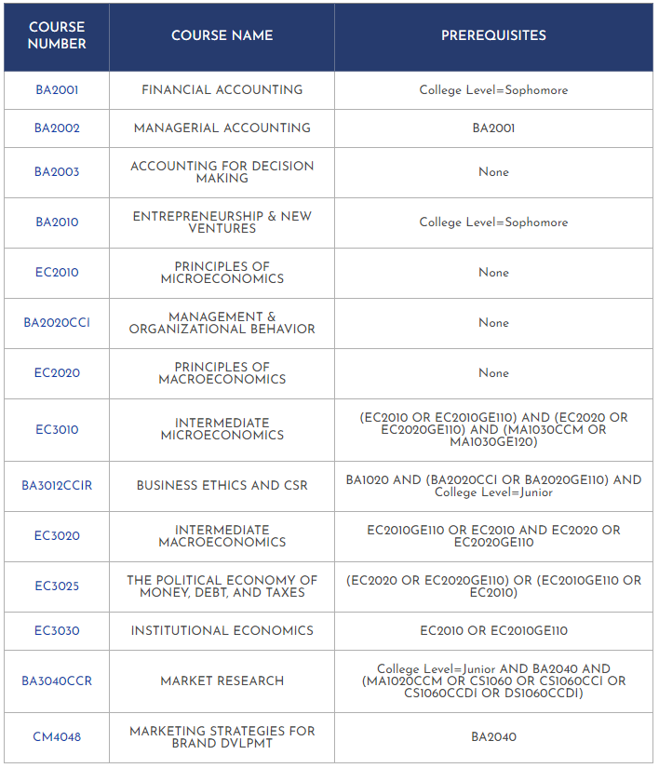
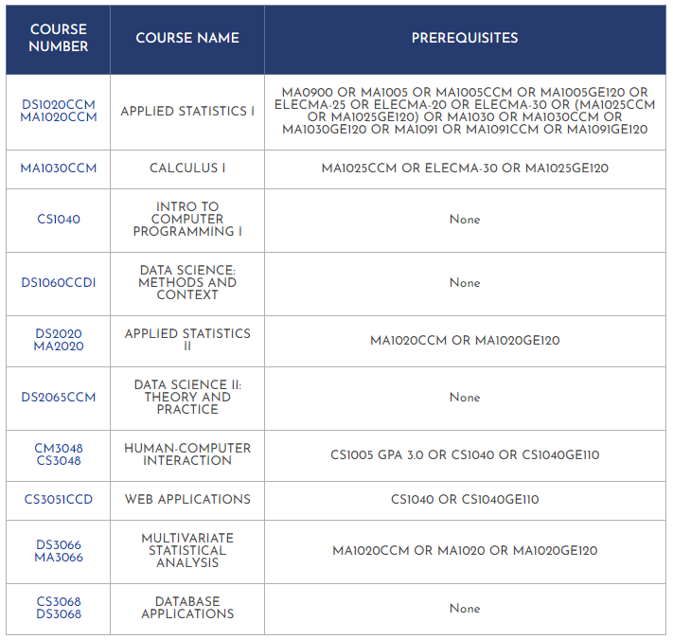
Management & Economics Path: Data and Computer Science Path:

Advocacy and Production Path: Sustainability Path:
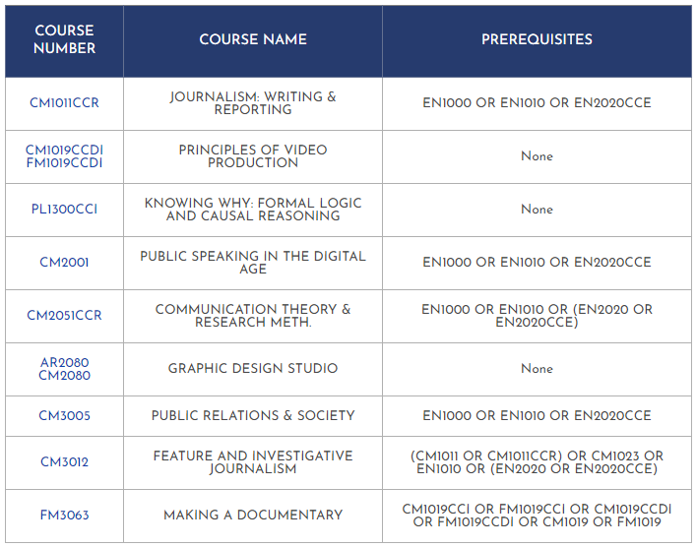
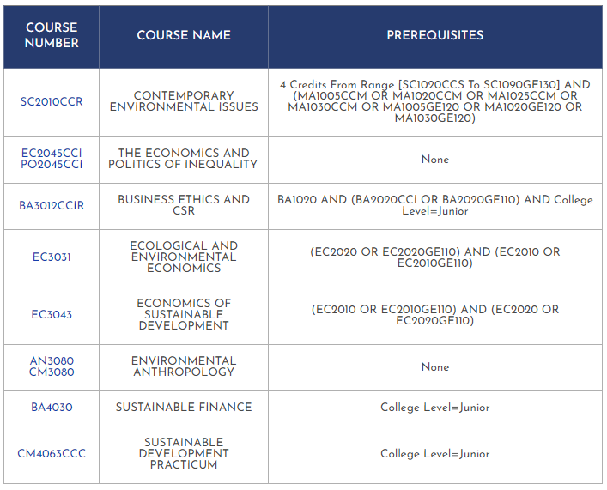

General Academic Policy

GLACC Requirements:

Your four Integrative Inquiry (CCI) courses must: -Be in at least two different disciplines -Be outside of the major discipline -unless- you are double majoring or are completing an interdisciplinary major* -Not count simultaneously for a major requirement -unless- you are double majoring or are completing an interdisciplinary major* *Interdisciplinary majors: 1) Politics, Philosophy and Economics 2) History, Law, and Society 3) Gender, Sexuality, and Society 4) Environmental Studies 5) Middle East Pluralities 6) Math and Computer Science. IMPORTANT: FirstBridge courses count towards Integrative Inquiry regardless of the student’s major discipline and the discipline of the FirstBridge course. Students with transfer courses having earned Integrative Inquiry (CCI) equivalency have to complete at least one (1) Integrative Inquiry (CCI) course at AUP.

Disciplinary Research Methods and Writing (CCR) course -and- AUP Capstone (CCC) course: Students with two majors must complete the CCR and CCC course for each major.

Double Count Policy for GLACC Requirements: Rule 1: Courses can satisfy both a GLACC and a major requirement. The only exception is Integrative Inquiry (CCI): a CCI course cannot count toward a major requirement unless the major is an interdisciplinary major -OR- if a student has a double major. Rule 2: Courses cannot satisfy two GLACC requirements. GLACC double-coded courses (courses that have been approved to count toward multiple GLACC requirements) can only satisfy one of the two GLACC requirements.

Major (& Minor) Requirements:

Transfer courses: 50% of upper-level courses (3000-4000 level) for a major MUST be completed at AUP. Only 8 transferred credits may count toward a minor.

Double Count Policy for Major & Minor Requirements: -Major/Major: A maximum of 5 courses can count simultaneously for two majors. -Major/Minor & Minor/Minor: To complete a minor, at least 3 courses should count solely toward that minor and NOT be applied toward any other minor or major. -Major/FirstBridge courses: FirstBridge courses cannot fulfill course requirements for a major. No exceptions for double majors or interdisciplinary majors. -Minor/FirstBridge courses: FirstBridge courses can fulfill course requirements for a minor.

Additional Policies & Rules:

In addition to fulfilling all the GLACC requirements and the requirements for at least one major, students must have at least 128 earned semester credits (transfer credits included) in order to be eligible to graduate.

Minimum passing grades: -All GLACC, Major & Minor requirements: C- or above. If below, the course does not satisfy the requirement. -Open Elective courses: D- or above. If below, the course does not earn Open Elective credit.

Credit/No Credit: Students may designate one course per semester to be graded ‘Credit/No Credit’ (‘CR/NC’). Any course can be taken ‘CR/NC,’ however, it is not recommended for courses in the major.

Catalog Year: All degree requirements (all GLACC, major, and minor requirements) must be from the same catalog year. You may declare and follow the requirements from any catalog year as long as it is not prior to your year of matriculation at AUP.

Additional transfer course policies: -No more than 64 transfer credits (pre- and post-matriculation combined) can be used towards a degree. -Once matriculated, AUP students may transfer in a maximum of 18 credits from sources other than AUP study abroad programs; a maximum of 36 credits from an AUP study abroad program; -OR- a total of 36 credits from AUP study abroad programs and other sources (with a maximum of 18 credits from other sources). A student’s final 16 credits prior to graduation must be completed at AUP.

Internships: Students who have a minimum of 32 credits may register an internship. A maximum of 4 credits from internships can be counted towards the degree. Internships can be registered at any point in the year, but the internship MUST be registered before the internship begins.

