Critical Path
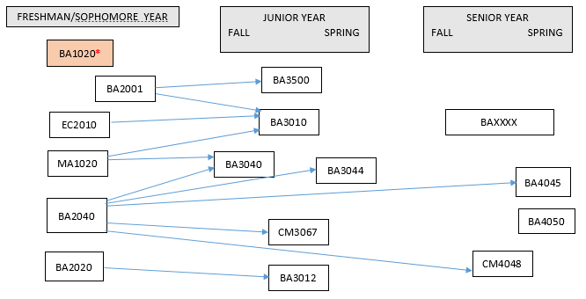
Marketing Major 2018
· Courses required: EC2010, MA1020, BA1020 (2 credits), BA2001, BA2020, BA2040, BA3010, BA3012, BA3040, BA3044, BA3500, BA4045, BA4050 (2 credits), BAXXXX, CM3067, CM4048.
· Several required courses are only offered once per year, as specified here and in the chart below. BA3040 – fall only; BA3044 – spring only; BA4045 – spring only.
· Below is a critical path of courses. Students can take courses in later years than shown below as long as prerequisites are met for subsequent courses.
· *Note that BA1020 is a pre-requisite for upper-level business courses starting in spring 2018. The purpose of this is to ensure students take the course in the beginning of their program.
· BA4050 is to be taken in the student’s final semester at AUP.

