Advising & Policy Info
Data Science and the Environment - Advising Information

Departmental Honors: Students earning a GPA of 3.5 or above in the major courses are eligible for the honors program.

Note that some courses in the department have a prerequisite of MA1020 Applied Statistics. Students entering with a placement below MA1020 must factor MA0900 Intermediate Algebra (2 credits) or MA1005 Math for Life (4 credits), both of which can be used as prerequisites for MA1020, into their course planning.

Note that MA1030 Calculus requires either a separate placement test available through Blackboard, or a placement of ELECMA-30 from a pre-collegiate standardized test.
Students who do not place into MA1030 must factor MA1025 Functions, Modeling, Pre-Calculus into their course planning. Note that MA1025 has a prerequisite of MA0900 (fulfilled either by taking the class or by passing the Algebra placement test, or completion of MA1020 Applied Statistics).
Note that MA1025 has a prerequisite of MA0900 (fulfilled either by taking MA0900, passing the Algebra placement test, or completing MA1020 Applied Statistics.

Course frequency information (subject to change):
Students should enroll in SC2010 Contemporary Environmental Issues and DS/SC 3010 Planetary and Environmental Data Science as early as possible once they have completed the prerequisite as both have a scheduled frequency of every three semesters and so can be easy to miss. SC2010 Contemporary Environmental Issues has the prerequisites of completion of the CMM requirement AND the CCS requirement. It is projected to be offered next in F26 and S28. DS/ SC3010 has the prerequisites of completion of the CMM requirement AND the CCS requirement AND either completion of the CCD requirement or CS1005, CS1040, MA/DS1020, or DS1060. DS/ SC3010 is projected to be offered next in F27.

The department offers a range of science courses, but not on a particular schedule. Students are encouraged to monitor offerings and to consult with members of the department if there is a particular topic they wish to study.

Courses offered only in fall
MA1025 Functions, Modeling, Precalculus
MA2041: Linear Algebra

Courses offered only in spring
DS2065CCM: Data Science II: Theory and Practice

Sequencing of Required CS Courses
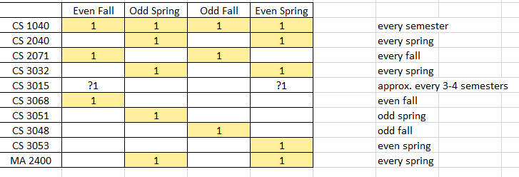

General Academic Policy

Global Liberal Arts Core Curriculum (GLACC) Requirements:

Your four Integrative Inquiry courses (course codes CCI, CCDI, CCIR, CCIM) must: - Be in at least two different disciplines - Be outside of the major discipline, unless you are double majoring. - Not count simultaneously for a major requirement a. Integrative Inquiry and Minor Courses: Integrative Inquiry courses may double count with a student’s minor(s). b. Integrative Inquiry and FirstBridge courses: FirstBridge courses count towards Integrative Inquiry regardless of the student’s major discipline. It is important to note that FirstBridge courses may not apply to a student’s major. c. Integrative Inquiry for double majors: Courses fulfilling the requirements of one major can be used to satisfy the Integrative Inquiry requirement. Integrative Inquiry courses must be in at least two different disciplines, only one of which can be a major discipline. d. Integrative Inquiry for interdisciplinary majors: Students doing an interdisciplinary major* may fulfil the Integrative Inquiry requirement with CCI coded courses taken in any discipline beyond the major requirements. *Interdisciplinary majors: 1) Politics, Philosophy and Economics 2) History, Law, and Society 3) Gender, Sexuality, and Society 4) Environmental Studies 5) Middle East Pluralities 6) Math and Computer Science. e. Students with transfer courses having earned Integrative Inquiry (CCI) equivalency must complete at least one (1) Integrative Inquiry (CCI) course at AUP.
GLACC courses other than Integrative Inquiry (CCI): courses that fulfill any other GLACC requirement may also be applied to majors and/or minors.

Disciplinary Research Methods and Writing (CCR) course -and- AUP Capstone (CCC) course: Students with two majors must complete the CCR and CCC course for each major.

Courses with a double GLACC code (eg. CCIX) can be used to fulfill only ONE requirement.

Major (& Minor) Requirements:

Transfer courses: 50% of upper-level courses (3000-4000 level) for a major MUST be completed at AUP. Only 8 transferred credits may count toward a minor.

Double Count Policy for Major & Minor Requirements: -Major/Major: A maximum of 5 courses can count simultaneously for two majors. -Major/Minor & Minor/Minor: To complete a minor, at least 3 courses should count solely toward that minor and NOT be applied toward any other minor or major. -Major/FirstBridge courses: FirstBridge courses cannot fulfill course requirements for a major. No exceptions for double majors or interdisciplinary majors. -Minor/FirstBridge courses: FirstBridge courses can fulfill course requirements for a minor.

Additional Policies & Rules:

In addition to fulfilling all the GLACC requirements and the requirements for at least one major, students must have at least 128 earned semester credits (transfer credits included) in order to be eligible to graduate.

Minimum passing grades: -All GLACC, Major & Minor requirements: C- or above. If below, the course does not satisfy the requirement. -Open Elective courses: D- or above. If below, the course does not earn Open Elective credit.

Credit/No Credit: Students may designate one course per semester to be graded ‘Credit/No Credit’ (‘CR/NC’). Any course can be taken ‘CR/NC,’ however, it is not recommended for courses in the major.

Catalog Year: All degree requirements (all GLACC, major, and minor requirements) must be from the same catalog year. You may declare and follow the requirements from any catalog year as long as it is not prior to your year of matriculation at AUP.

Additional transfer course policies: -No more than 64 transfer credits (pre- and post-matriculation combined) can be used towards a degree. -Once matriculated, AUP students may transfer in a maximum of 18 credits from sources other than AUP study abroad programs; a maximum of 36 credits from an AUP study abroad program; -OR- a total of 36 credits from AUP study abroad programs and other sources (with a maximum of 18 credits from other sources). A student’s final 16 credits prior to graduation must be completed at AUP.

Internships: Students who have a minimum of 32 credits and a minimum 2.0 GPA may register an internship. 0-credit internships do not add credits to the degree total, but they can be used to fulfill the Experiential Learning (CCX) requirement. Students may wish to pay per credit to have an internship registered for credit. A maximum of 4 credits from internships can be counted towards the degree. Please see the Internship pages on the website for further information. All internships can be registered at any point in the year, but the internship MUST be registered before it can begin.

Combined Bachelors /Masters Degrees
Step 1: Update Degree Worksheet
To begin the application process, candidates must have junior status and have prepared a degree worksheet that clearly lays out the student’s plan to complete the requirements of their bachelor’s degree while including 8 credits of master's course work during their senior year. Students who have not yet done so must also submit a Junior Degree Check (JDC) at this time.
Step 2: Complete an Expression of Interest form.
Interested applicants should complete the Expression of Interest form and upload their completed Degree Worksheet and a copy of their transcript (downloaded from their Student Portal) to the form.
Step 3: Meet with Program Director.
The Expression of Interest form and the accompanying documents are reviewed by the Program Director, who contacts the student to arrange a meeting.
Step 4: Apply for provisional acceptance.
Interested candidates then submit an application to the Admissions Office for provisional acceptance. They must submit their Junior Degree Check beforehand and provide evidence of having done so. Candidates will indicate their graduate course preferences for the first semester at this time.
Step 4: Enroll into master courses in the senior year.
Once provisionally accepted into the Bachelor’s/Master’s Program, students will be enrolled into their first master course during the first semester of their senior year by the Office of the Registrar. The Office of the Registrar will make every effort to enroll the student into their first-choice course, depending on space availability.
Step 5: Receive formal acceptance.
Upon successful completion of first master course, the Master Program Director will evaluate the student’s dossier and issue a letter of confirmation of formal acceptance into the program, allowing the student to enroll in the second master course the final undergraduate semester.

Timeline
Timeline 2026-2027 | Prerequisites 2026-2027
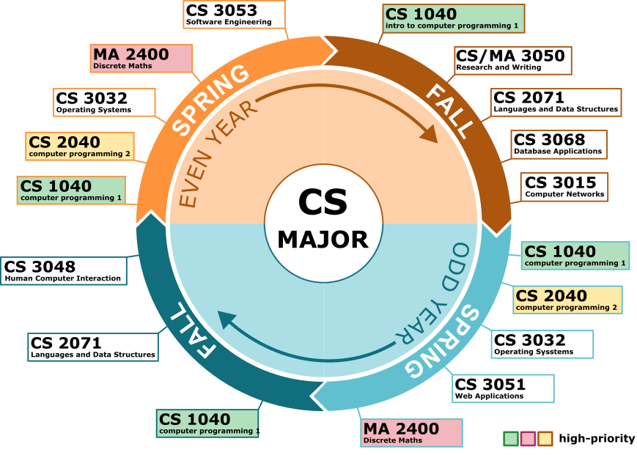

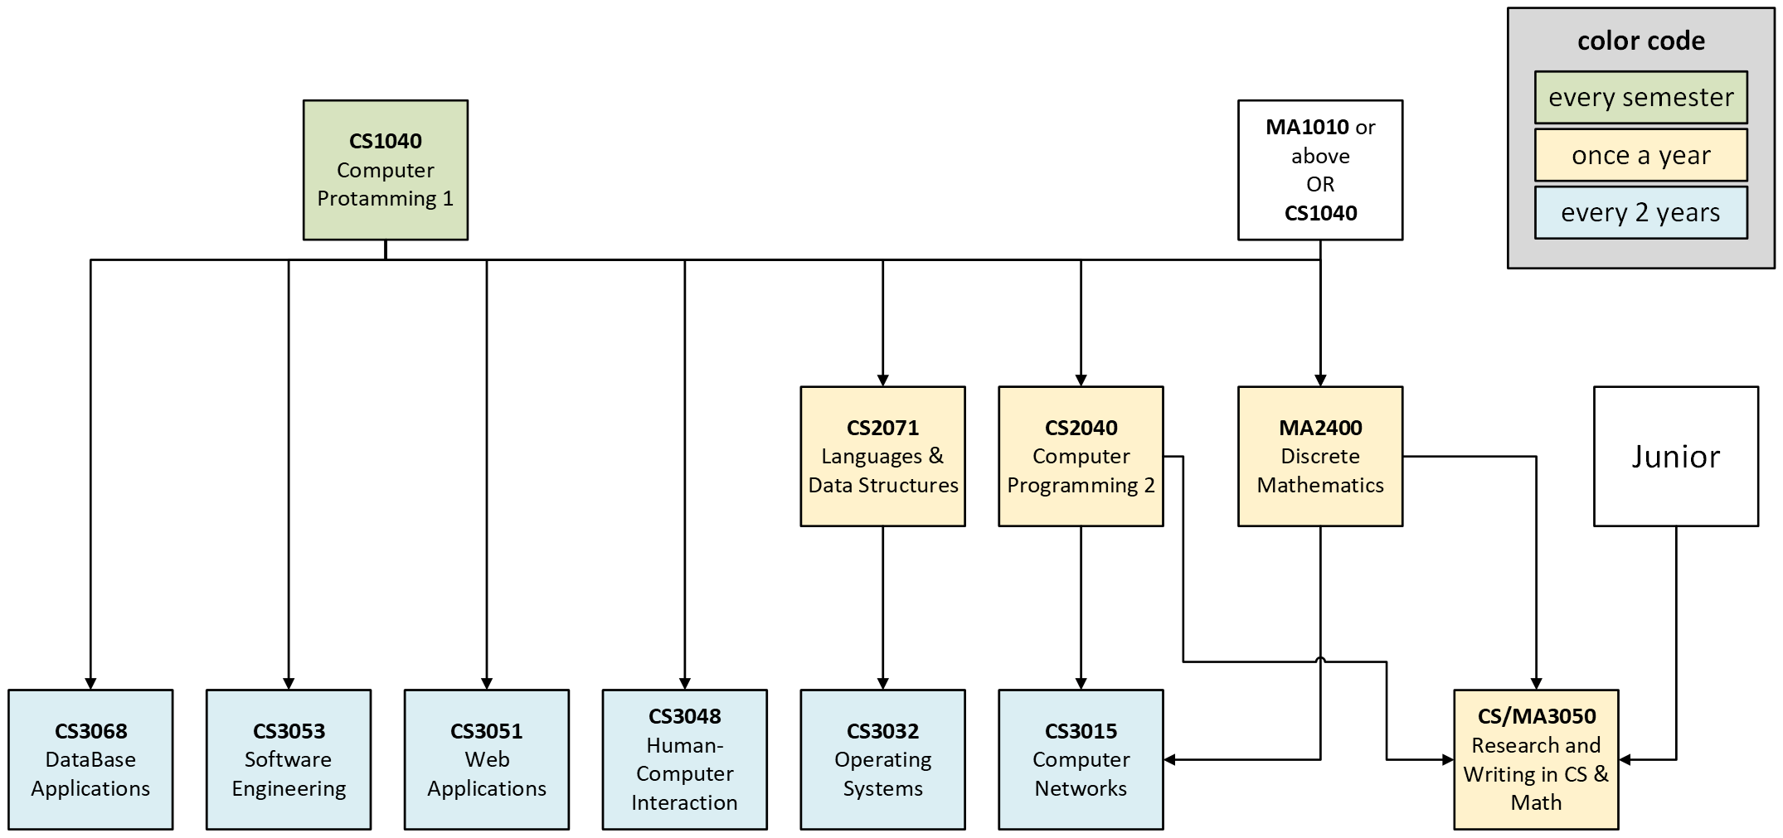

This timeline is indicative. Check the Course CATALOG for updated information

