Advising & Policy Info
International Business Administration - Advising Information

Departmental Honors: Majors with superior academic performance will be invited to participate in the Departmental Honors Program, which affords outstanding students the opportunity to deepen and broaden their understanding of the business world and to accelerate their search for academic and professional excellence. Honors students are required to write and present a thesis in their senior year. Additional information is available from the Honors Program coordinator Professor Suzanne Bodevin at sbodevin@aup.edu or from the Economics and Management Department Chair.

Course frequency information (subject to change):
Courses offered only in fall: | Courses offered only in fall: | Courses offered only in fall: | Courses offered only in fall: | Courses offered only in fall: | Courses offered only in fall: | Courses offered only in fall: | Courses offered only in fall: | Courses offered only in fall: | Courses offered only in fall: | Courses offered only in fall: | Courses offered only in fall: | Courses offered only in fall: | Courses offered only in fall: | Courses offered only in fall: | Courses offered only in fall: | Courses offered only in fall: | Courses offered only in fall: | Courses offered only in fall: | Courses offered only in fall: | Courses offered only in fall: | Courses offered only in fall: | Courses offered only in fall: | Courses offered only in fall: | Courses offered only in fall: | Courses offered only in fall: | Courses offered only in fall: | Courses offered only in fall: | Courses offered only in fall: | Courses offered only in fall: | Courses offered only in fall: | Courses offered only in fall: | Courses offered only in fall: | Courses offered only in fall: | Courses offered only in fall: | Courses offered only in fall: | Courses offered only in fall: | Courses offered only in fall: | Courses offered only in fall: | Courses offered only in fall: | Courses offered only in fall: | Courses offered only in fall: | Courses offered only in fall: | Courses offered only in fall: | Courses offered only in fall: | Courses offered only in fall: | Courses offered only in fall: | Courses offered only in fall: | Courses offered only in fall: | Courses offered only in fall: | Courses offered only in fall: | Courses offered only in fall: | Courses offered only in fall: | Courses offered only in fall: | Courses offered only in fall: | Courses offered only in fall: | Courses offered only in fall: | Courses offered only in fall: | Courses offered only in fall: | Courses offered only in fall: | Courses offered only in fall: | Courses offered only in fall: | Courses offered only in fall: | Courses offered only in fall: | Courses offered only in fall: | Courses offered only in fall: | Courses offered only in fall: | Courses offered only in fall: | Courses offered only in fall: | Courses offered only in fall: | Courses offered only in fall: | Courses offered only in fall:
 | BA3050 | BA3050 | BA3050 | BA3050 | BA3050 | BA3050 | BA3050 | BA3050 | BA3050 | BA3050 | BA3050 | BA3050 | BA3050 | BA3050 | BA3050 | BA3050 | BA3050 | BA3050 | BA3050 | BA3050 | BA3050 | BA3050 | BA3050 | BA3050 | BA3050 | BA3050 | BA3050 | BA3050 | BA3050 | BA3050 | BA3050 | BA3050 | BA3050 | BA3050 | BA3050 | BA3050 | BA3050 | BA3050 | BA3050 | BA3050 | BA3050 | BA3050 | BA3050 | BA3050 | BA3050 | BA3050 | BA3050 | BA3050 | BA3050 | BA3050 | BA3050 | BA3050 | BA3050 | BA3050 | BA3050 | BA3050 | BA3050 | BA3050 | BA3050 | BA3050 | BA3050 | BA3050 | BA3050 | BA3050 | BA3050 | BA3050 | BA3050 | BA3050 | BA3050 | BA3050 | BA3050
...
Courses offered only in spring:
BA3084 International Business Law
...
Course sequencing recommendations:
Note that BA1020* is a pre-requisite for two upper-level business courses. The purpose of this is to ensure students take the course in the beginning of their program.
BA4050 is to be taken in the student’s final semester at AUP
...
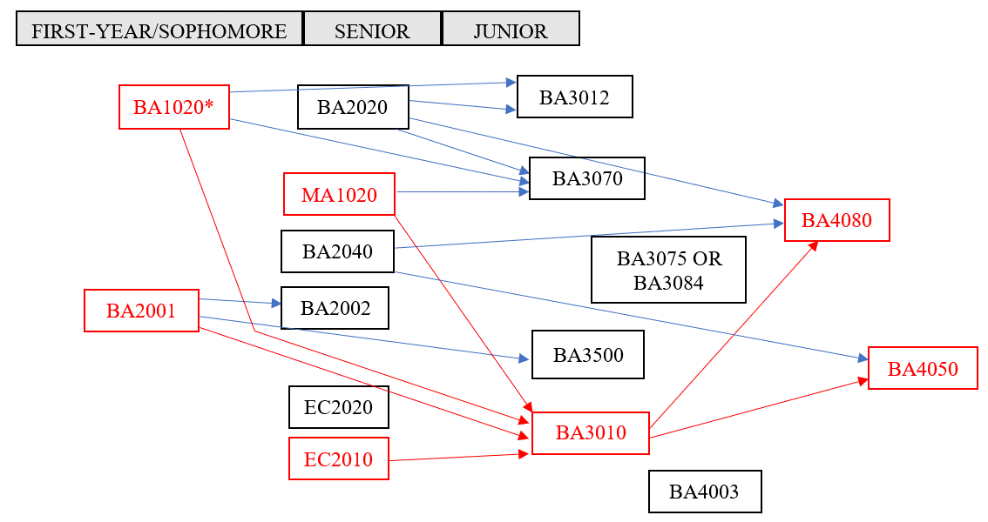

General Academic Policy

Global Liberal Arts Core Curriculum Requirements

Your four Integrative Inquiry courses (course codes CCI, CCDI, CCIR, CCIM) must: - Be in at least two different disciplines - Be outside of the major discipline - unless you are double majoring or are completing an interdisciplinary major* - Not count simultaneously for a major requirement, unless you are double majoring. Integrative Inquiry and Minor Courses: Integrative Inquiry courses may double count with a student’s minor(s). Integrative Inquiry and FirstBridge courses: FirstBridge courses count towards Integrative Inquiry regardless of the student’s major discipline. It is important to note that FirstBridge courses may not apply to a student’s major. Integrative Inquiry for double majors: Courses fulfilling the requirements of one major can be used to satisfy the Integrative Inquiry requirement. Integrative Inquiry courses must be in at least two different disciplines, only one of which can be a major discipline. Integrative Inquiry for interdisciplinary majors: Students doing an interdisciplinary major* may fulfil the Integrative Inquiry requirement with CCI coded courses taken in any discipline beyond the major requirements. *Interdisciplinary majors: 1) Politics, Philosophy and Economics 2) History, Law, and Society 3) Gender, Sexuality, and Society 4) Environmental Studies 5) Middle East Pluralities 6) Math and Computer Science. Students with transfer courses having been granted Integrative Inquiry (CCI) equivalency must complete at least one (1) Integrative Inquiry (CCI) course at AUP.
...

