Advising & Policy Info
International Finance - Advising Information

Departmental Honors: Majors with superior academic performance will be invited to participate in the Departmental Honors Program, which affords outstanding students the opportunity to deepen and broaden their understanding of the business world and to accelerate their search for academic and professional excellence. Honors students are required to write and present a thesis in their senior year. Additional information is available from the Economics and Management Department Chair.

Note that some courses in the department have a prerequisite of MA1020 Applied Statistics. Students entering with a placement below MA1020 must factor MA0900 Intermediate Algebra (2 credits) or MA1005 Math for Life (4 credits), both of which can be used as prerequisites for MA1020, into their course planning.

Note that some courses in the department have a prerequisite of MA1030 Calculus, which requires either a separate placement test available through Blackboard, or a placement of ELECMA-30 from a pre-collegiate standardized test. Students who do not place into MA1030 must factor MA1025 Functions, Modeling, Pre-Calculus into their course planning. Note that MA1025 has a prerequisite of MA0900 (fulfilled either by taking the class or by passing the Algebra placement test, or completion of MA1020 Applied Statistics). Note that MA1025 has a prerequisite of MA0900 (fulfilled either by taking MA0900, passing the Algebra placement test, or completing MA1020 Applied Statistics.

Course frequency information (subject to change):
Courses offered only in fall
MA1025 Functions, Modeling, Precalc
BA3050 International Financial Markets
EC3073 Money, Banking and International Financial Markets
BA3075 Legal Environment of Busines
BA4010 Investment Analysis
EC3086 Introduction to Econometrics

Courses offered only in spring
BA3084 International Business Law
BA4020 Computational Finance

Course sequencing recommendations:
Note that BA1020 is a pre-requisite for one upper-level business course. The purpose of this is to ensure students take the course in the beginning of their program.
BA4050 is to be taken in the student’s final semester at AUP.

Below is a critical path of courses. Students graduating in a fall semester must be very careful since some courses are only offered once per year and the sequence is designed for students graduating in spring semesters.

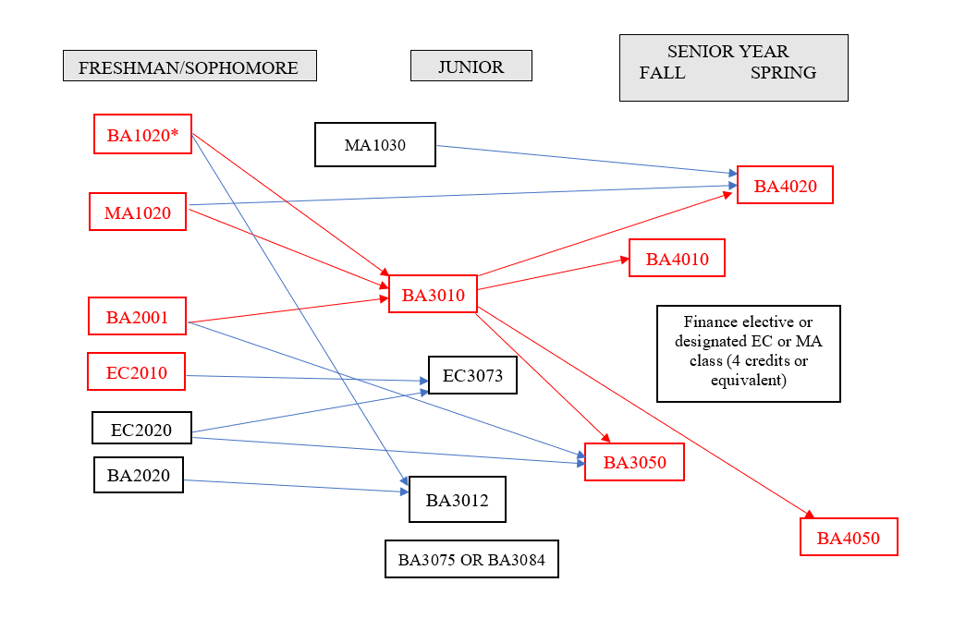

General Academic Policy

Global Liberal Arts Core Curriculum Requirements

Your four Integrative Inquiry courses (course codes CCI, CCDI, CCIR, CCIM) must: - Be in at least two different disciplines - Be outside of the major discipline - unless you are double majoring or are completing an interdisciplinary major* - Not count simultaneously for a major requirement, unless you are double majoring. Integrative Inquiry and Minor Courses: Integrative Inquiry courses may double count with a student’s minor(s). Integrative Inquiry and FirstBridge courses: FirstBridge courses count towards Integrative Inquiry regardless of the student’s major discipline. It is important to note that FirstBridge courses may not apply to a student’s major. Integrative Inquiry for double majors: Courses fulfilling the requirements of one major can be used to satisfy the Integrative Inquiry requirement. Integrative Inquiry courses must be in at least two different disciplines, only one of which can be a major discipline. Integrative Inquiry for interdisciplinary majors: Students doing an interdisciplinary major* may fulfil the Integrative Inquiry requirement with CCI coded courses taken in any discipline beyond the major requirements. *Interdisciplinary majors: 1) Politics, Philosophy and Economics 2) History, Law, and Society 3) Gender, Sexuality, and Society 4) Environmental Studies 5) Middle East Pluralities 6) Math and Computer Science. Students with transfer courses having been granted Integrative Inquiry (CCI) equivalency must complete at least one (1) Integrative Inquiry (CCI) course at AUP.
GLACC courses other than Integrative Inquiry (CCI): courses that fulfill any other GLACC requirement may also be applied to majors and/or minors.

Disciplinary Research Methods and Writing (CCR) course -and- AUP Capstone (CCC) course: Students with two majors must complete the CCR and CCC course for each major.

Courses with a double GLACC code (eg. CCIX) can be used to fulfill only ONE requirement.

Major (& Minor) Requirements:

Transfer courses: 50% of upper-level courses (3000-4000 level) for a major MUST be completed at AUP. Only 8 transferred credits may count toward a minor.

Double Count Policy for Major & Minor Requirements: -Major/Major: A maximum of 5 courses can count simultaneously for two majors. -Major/Minor & Minor/Minor: To complete a minor, at least 3 courses should count solely toward that minor and NOT be applied toward any other minor or major. -Major/FirstBridge courses: FirstBridge courses cannot fulfill course requirements for a major. No exceptions for double majors or interdisciplinary majors. -Minor/FirstBridge courses: FirstBridge courses can fulfill course requirements for a minor.

Additional Policies & Rules:

In addition to fulfilling all the GLACC requirements and the requirements for at least one major, students must have at least 128 earned semester credits (transfer credits included) in order to be eligible to graduate.

Minimum passing grades: -All GLACC, Major & Minor requirements: C- or above. If below, the course does not satisfy the requirement. -Open Elective courses: D- or above. If below, the course does not earn Open Elective credit.

Credit/No Credit: Students may designate one course per semester to be graded ‘Credit/No Credit’ (‘CR/NC’). Any course can be taken ‘CR/NC,’ however, it is not recommended for courses in the major.

Catalog Year: All degree requirements (all GLACC, major, and minor requirements) must be from the same catalog year. You may declare and follow the requirements from any catalog year as long as it is not prior to your year of matriculation at AUP.

Additional transfer course policies: -No more than 64 transfer credits (pre- and post-matriculation combined) can be used towards a degree. -Once matriculated, AUP students may transfer in a maximum of 18 credits from sources other than AUP study abroad programs; a maximum of 36 credits from an AUP study abroad program; -OR- a total of 36 credits from AUP study abroad programs and other sources (with a maximum of 18 credits from other sources). A student’s final 16 credits prior to graduation must be completed at AUP.

Internships: Students who have a minimum of 32 credits and a minimum 2.0 GPA may register an internship. 0-credit internships do not add credits to the degree total, but they can be used to fulfill the Experiential Learning (CCX) requirement. Students may wish to pay per credit to have an internship registered for credit. A maximum of 4 credits from internships can be counted towards the degree. Please see the Internship pages on the website for further information. All internships can be registered at any point in the year, but the internship MUST be registered before it can begin.

Combined Bachelors /Masters Degrees
Step 1: Update Degree Worksheet
To begin the application process, candidates must have junior status and have prepared a degree worksheet that clearly lays out the student’s plan to complete the requirements of their bachelor’s degree while including 8 credits of master's course work during their senior year. Students who have not yet done so must also submit a Junior Degree Check (JDC) at this time.
Step 2: Complete an Expression of Interest form.
Interested applicants should complete the Expression of Interest form and upload their completed Degree Worksheet and a copy of their transcript (downloaded from their Student Portal) to the form.
Step 3: Meet with Program Director.
The Expression of Interest form and the accompanying documents are reviewed by the Program Director, who contacts the student to arrange a meeting.
Step 4: Apply for provisional acceptance.
Interested candidates then submit an application to the Admissions Office for provisional acceptance. They must submit their Junior Degree Check beforehand and provide evidence of having done so. Candidates will indicate their graduate course preferences for the first semester at this time.
Step 4: Enroll into master courses in the senior year.
Once provisionally accepted into the Bachelor’s/Master’s Program, students will be enrolled into their first master course during the first semester of their senior year by the Office of the Registrar. The Office of the Registrar will make every effort to enroll the student into their first-choice course, depending on space availability.
Step 5: Receive formal acceptance.
Upon successful completion of first master course, the Master Program Director will evaluate the student’s dossier and issue a letter of confirmation of formal acceptance into the program, allowing the student to enroll in the second master course the final undergraduate semester.

